PMZONE
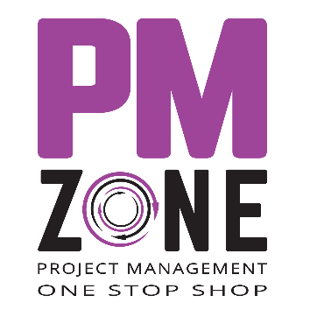 | PMZONE is a Project Management consulting company from Israel specializing in innovative ways to educate and train professional and occasional project managers. The company is owned and led by Hamutal Weisz and Daniel Zitter – the authors of the unique book called "Being a Project Manager – a Different Book on Project Management".

 | Being a Project Manager is a different kind of book about project management that focuses on essentials and practice. It clearly draws the path one must walk as a project manager. The book is suitable for managing any project of any size, subject and content since it refers to the foundations of project management—planning, control and communication—rather than a specific methodology or expertise. Moreover, the book offers appropriate methods and tools for proper project management that are easy to implement.
 | Purchase online
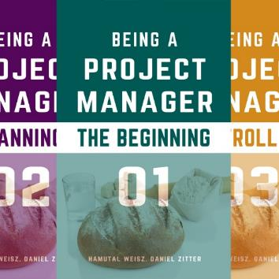 | Being a Project Manager (4 Book Series) Kindle Edition on Amazon. Master the essential elements of effective project management—planning, control, and communication!
 | Buy from Amazon

